Results
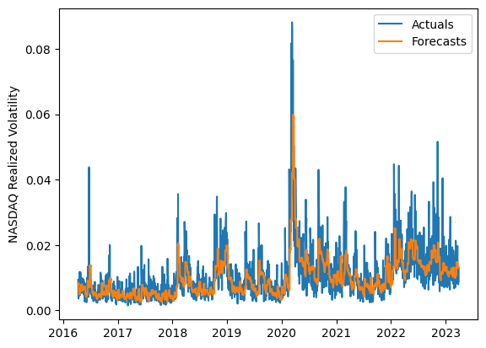
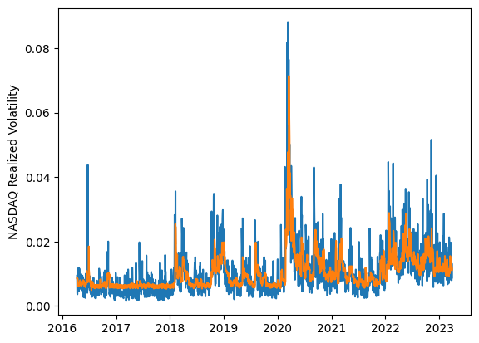
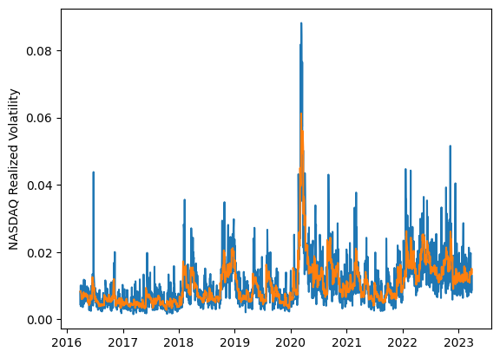
 | LSTM |  |  | TCN |  |  | NBEATSx |  |  |  |  | LSTM |  |  | TCN |  |  | NBEATSx
 | Accuracy | RMSE | Qlike | Accuracy | RMSE | Qlike | Accuracy | RMSE | Qlike |  |  | Accuracy | RMSE | Qlike | Accuracy | RMSE | Qlike | Accuracy | RMSE | Qlike
Trial 1 | 61.79% | 0.374% | 0.108 | 54.85% | 0.395% | 0.131 | 64.10% | 0.350% | 0.094 |  | Mean | 54.83% | 0.394% | 0.133 | 56.54% | 0.395% | 0.128 | 64.62% | 0.345% | 0.092
Trial 2 | 52.31% | 0.400% | 0.140 | 56.86% | 0.388% | 0.124 | 64.85% | 0.349% | 0.093 |  | Standard Deviation | 9.11% | 0.034% | 0.038 | 3.42% | 0.010% | 0.011 | 0.49% | 0.003% | 0.002
Trial 3 | 62.47% | 0.370% | 0.105 | 57.17% | 0.385% | 0.124 | 64.23% | 0.348% | 0.090 |  | 95% CI upper bound | 73.05% | 0.463% | 0.209 | 63.38% | 0.415% | 0.150 | 65.59% | 0.351% | 0.095
Trial 4 | 51.82% | 0.401% | 0.141 | 57.74% | 0.402% | 0.125 | 65.30% | 0.343% | 0.092 |  | 95% CI lower bound | 36.61% | 0.326% | 0.057 | 49.70% | 0.376% | 0.106 | 63.65% | 0.339% | 0.088
Trial 5 | 62.42% | 0.377% | 0.108 | 49.05% | 0.414% | 0.153 | 64.30% | 0.341% | 0.087 |  | 99.7% CI upper bound | 82.16% | 0.497% | 0.247 | 66.80% | 0.424% | 0.161 | 66.07% | 0.355% | 0.097
Trial 6 | 59.18% | 0.378% | 0.114 | 55.65% | 0.408% | 0.134 | 63.99% | 0.350% | 0.094 |  | 99.7% CI lower bound | 27.50% | 0.292% | 0.018 | 46.28% | 0.367% | 0.095 | 63.16% | 0.336% | 0.086
Trial 7 | 59.55% | 0.373% | 0.113 | 54.76% | 0.391% | 0.133 | 64.65% | 0.349% | 0.093
Trial 8 | 59.36% | 0.376% | 0.113 | 60.53% | 0.396% | 0.117 | 64.12% | 0.347% | 0.092
Trial 9 | 48.77% | 0.418% | 0.153 | 53.94% | 0.399% | 0.134 | 64.29% | 0.343% | 0.091
Trial 10 | 58.03% | 0.380% | 0.118 | 50.80% | 0.400% | 0.147 | 64.91% | 0.342% | 0.090
Trial 11 | 57.59% | 0.378% | 0.121 | 60.39% | 0.374% | 0.113 | 64.64% | 0.344% | 0.091
Trial 12 | 57.52% | 0.383% | 0.120 | 58.57% | 0.392% | 0.122 | 65.62% | 0.342% | 0.091
Trial 13 | 59.21% | 0.377% | 0.114 | 58.06% | 0.391% | 0.122 | 64.66% | 0.345% | 0.093
Trial 14 | 27.66% | 0.498% | 0.253 | 59.75% | 0.394% | 0.118 | 65.22% | 0.342% | 0.090
Trial 15 | 44.76% | 0.435% | 0.170 | 59.98% | 0.401% | 0.120 | 64.38% | 0.344% | 0.091

 | LSTM (best trial) |  |  |  |  |  |  |  |  | TCN (best trial) |  |  |  |  |  |  |  |  | NBEATSx (best trial)

